Hiearchy View
CLASS: SURGE SUPPRESSOR
a device inserted in the alternating current ( AC ) utility line and/or telephone line to prevent damage to electronic equipment from voltage spikes |  | 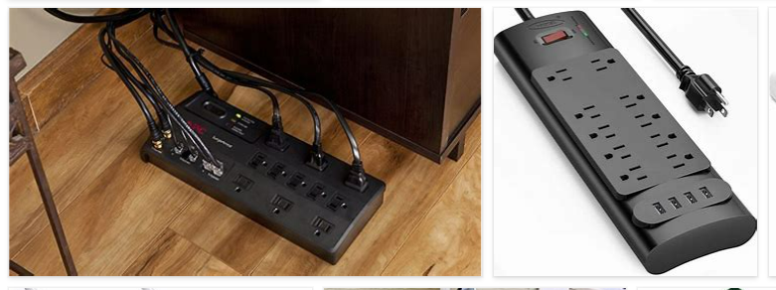
REMOVE | N

PROBLEM_DESC | CAUSE_DESC | REMEDY_DESC
BROKEN/DAMAGED
OTHER PROBLEM
OVERHEATING
PESTS
POWER-ELEC
STOPPED/SLOWED/POOR OPS
TEMP-CTRL
Grand Total

